Sheet1
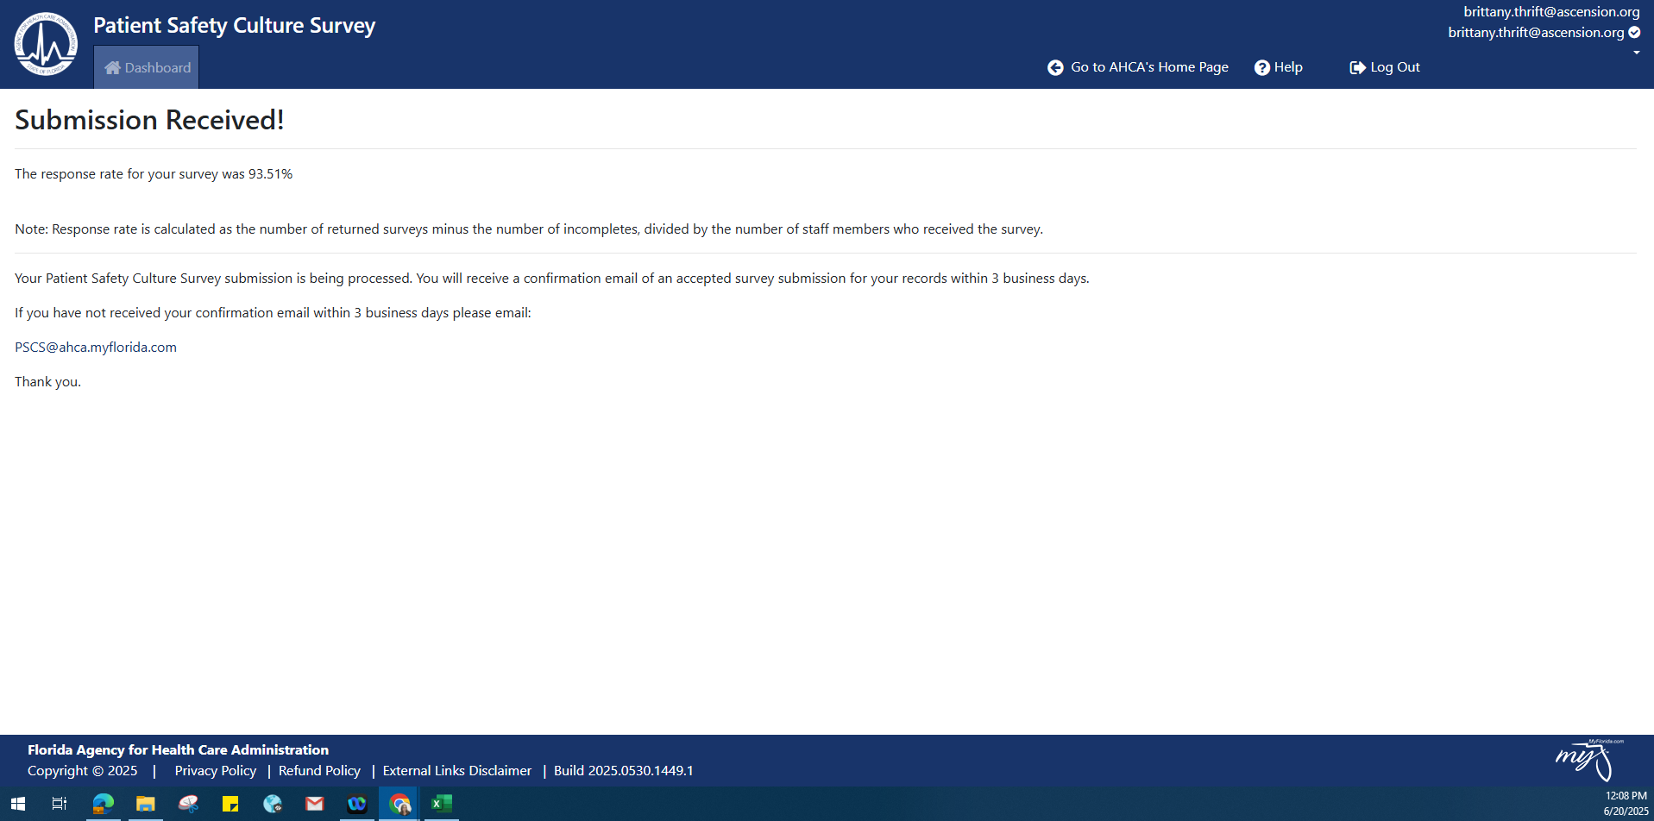

Submitted- 490 Responded out of 524 Associates with no incompletes

